Sheet1
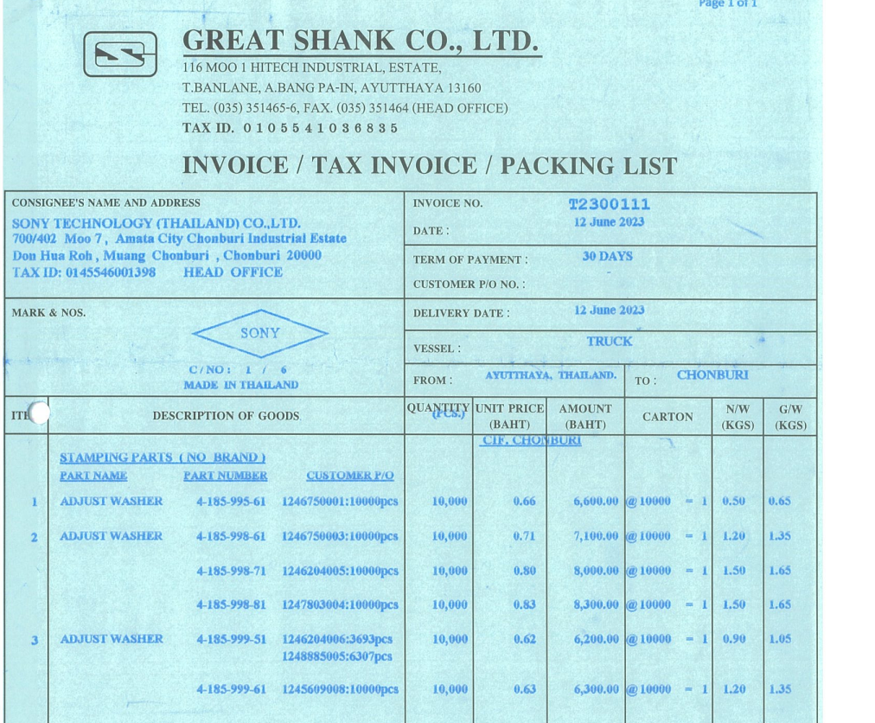

INVOICE_NO

QTY

ITEM_NO
PO_NO
UNIT_PRICE
AMOUNT

